Roof Mounting Solutions
ROOF MOUNTING COMPATIBILITY

95mm
67mm
Product Code | Description |  | Type | Image Example
3001-A-95-K | Roof Mounting Kit (without Roof Rails) - 95mm Height |  | A | 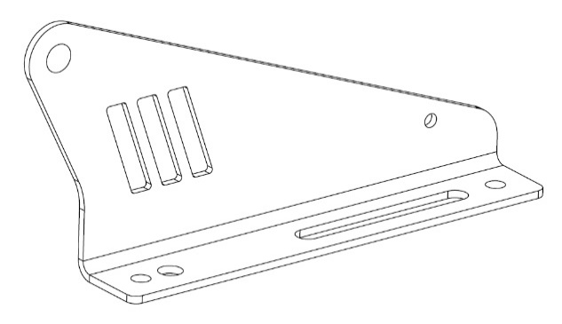 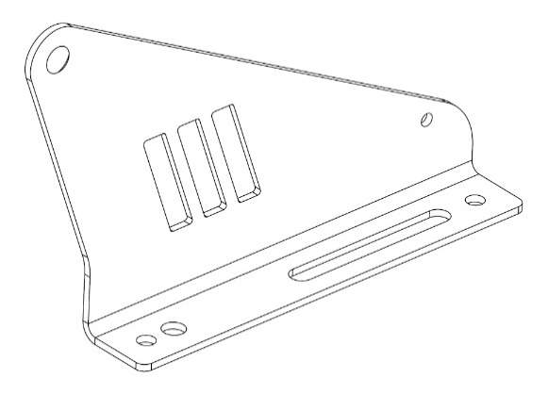
3001-A-67-K | Roof Mounting Kit (without Roof Rails) - 67mm Height
3001-B-65-K | Roof Mounting Kit (without Roof Rails) - 65mm Height - 105mm Reach |  | B | 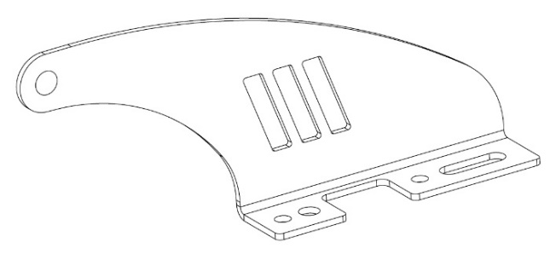 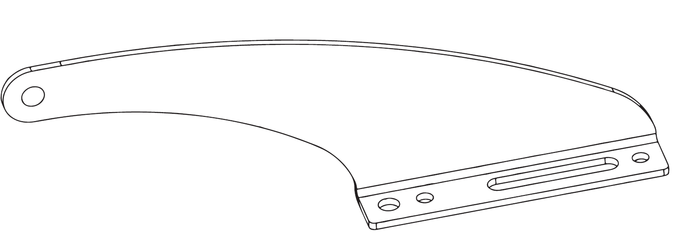
65mm
67mm
3001-B-67-K | Roof Mounting Kit (without Roof Rails) - 67mm Height - 70mm Reach
3001-C-37-K | Roof Mounting Kit (with Roof Rails) - 37mm Height |  | C | 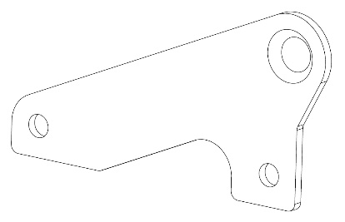 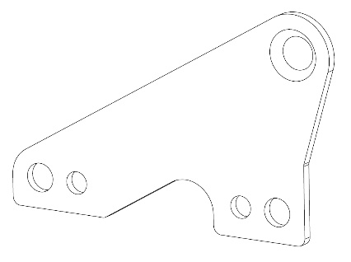 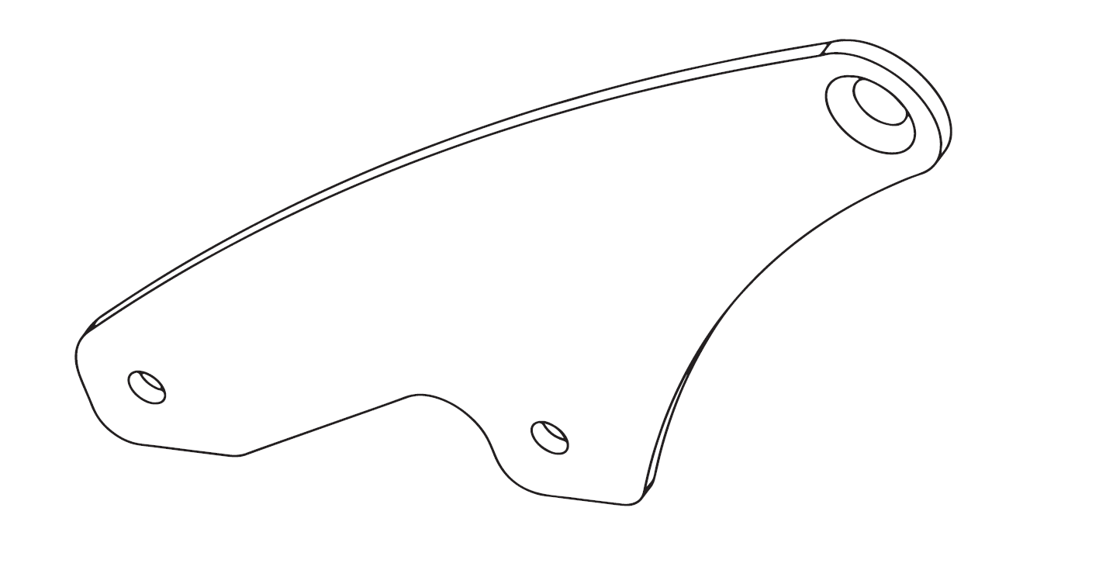 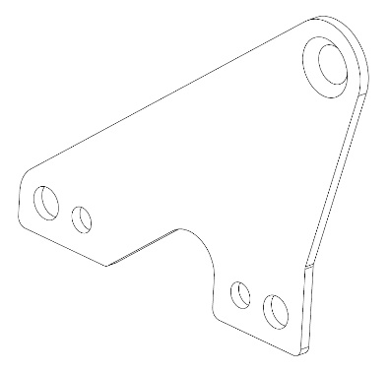
3001-C-47-K | Roof Mounting Kit (with Roof Rails) - 47mm Height
37mm
47mm
63mm
65mm
3001-C-63-K | Roof Mounting Kit (with Roof Rails) - 63mm Height
3001-C-65-K | Roof Mounting Kit (with Roof Rails) - 65mm Height
3001-RANGER-57-K | Ranger Roof Mounting Kit (with Roof Rails) - 57mm Height |  | RANGER | 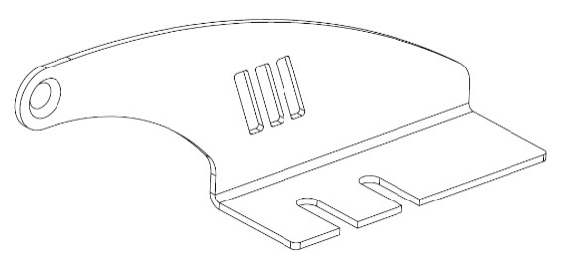 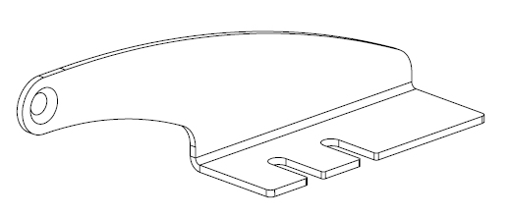
42mm
57mm
3001-RANGER-42-K | Ranger Roof Mounting Kit (with Roof Rails) - 42mm Height
65mm
3001-HILUX-65-K | Hilux Roof Mounting Kit (without Roof Rails) - 65mm Height |  | HILUX
3001-DEF2020-60-K | Defender 2020+ Roof Mounting Kit (without Roof Rails) - 60mm Height |  | DEF2020 | 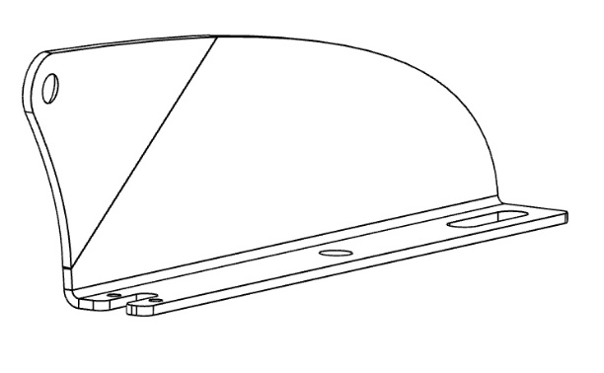 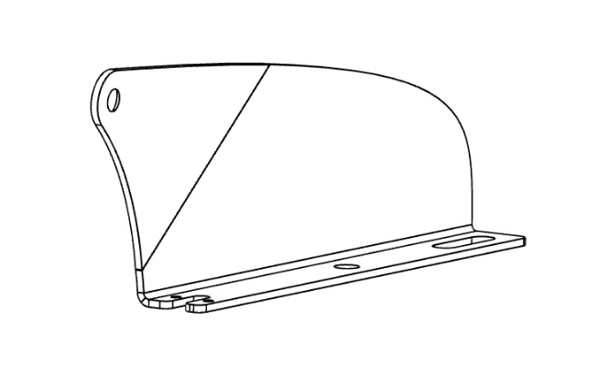
60mm
73mm
3001-DEF2020-73-K | Defender 2020+ Roof Mounting Kit (without Roof Rails) - 73mm Height
67mm
3001-DEF-67-K | Defender Roof Mounting Kit - 67mm tall, 70mm reach (narrow foot) |  | DEF | 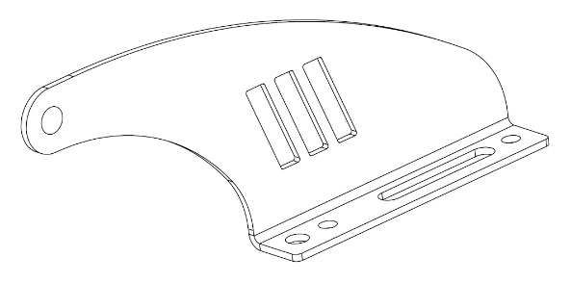

Lamp Range | Lamp Width | Image Example

TRIPLE-R 24
TRIPLE-R 28
T24
T28
Triple-R | Triple-R 24 - 1125mm | 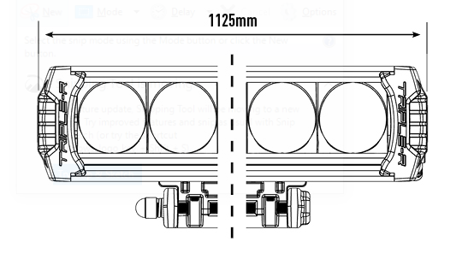 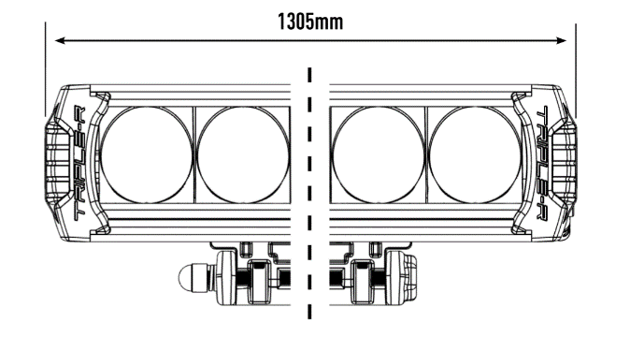
 | Triple-R 28 - 1305mm
T Evolution | T24 - 1004mm | 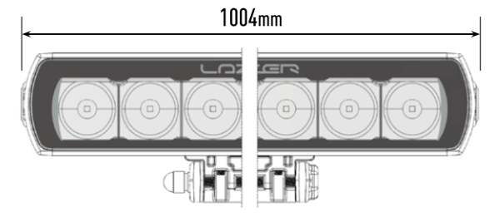 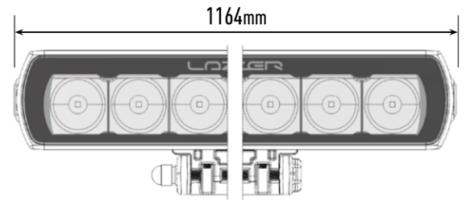
 | T28 - 1164mm
Linear | Linear-36 - 982mm | 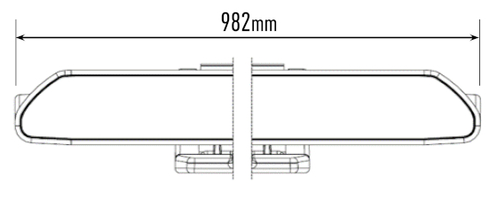 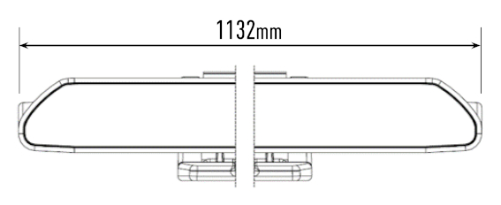 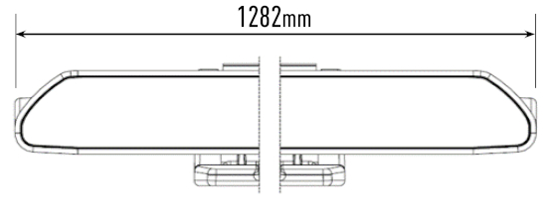
 | Linear-42 - 1132mm
LINEAR-36
LINEAR-42
LINEAR-48
 | Linear-48 -1282mm

Vehicle |  | Roof Rails | Lamp Type | Bracket Product Code | Wiring
Make | Model |  |  |  | Lazer Harness Kit | 3m Lamp cable extension required? | Can interface required?
Ford | Ranger (2016+)/(2019+) includes Ranger Raptor | Y | Linear-36 | 3001-RANGER-42-K | 1L-LP-220 | Yes - 8213-2C | No
 |  |  | T24 | 3001-RANGER-57-K | Included with lamp | N/A
 |  | N | Triple-R 24 | 3001-A-95-K | Included with lamp | N/A
 |  |  | Linear-42 | 3001-A-67-K | 1L-LP-220 | Yes - 8213-2C
 |  |  | T28 | 3001-A-95-K | Included with lamp | N/A
Isuzu | D-Max (2017+)/(2021+) | Y | T24 | 3001-C-47-K | Included with lamp | N/A | No
 |  |  | Linear-36 | 3001-C-37-K | 1L-LP-220 | Yes - 8213-2C
 |  | N | Linear-42 | 3001-B-67-K | 1L-LP-220 | Yes - 8213-2C
Land Rover | Discovery 4 (2014+) | N | Triple-R24 | 3001-A-95-K | Included with lamp | N/A | No
 |  |  | Linear-42 | 3001-A-67-K | 1L-LP-220 | Yes - 8213-2C
 | Defender (1983-2016) | N | Linear-48 | 3001-DEF-67-K | 1L-LP-220 | N/A | No
 |  |  | Triple-R 28 |  | Included with lamp | N/A
 | Defender (2020+) | N | Triple-R 24 | 3001-DEF2020-73-K | Included with lamp | N/A | If vehicle has Matrix headlights
 |  |  | Linear-42 | 3001-DEF2020-60-K | 1L-LP-220 | N/A
 | Range Rover Sport 2013+ | N | Linear 42 | 3001-A-67-K | 1L-LP-220 | N/A | Yes
Mercedes | X-Class (2017+) | Y | T24 | 3001-C-65-K | Included with lamp | N/A | Yes
 |  |  | Linear-36 | 3001-C-37-K | 1L-LP-220 | Yes - 8213-2C
 |  | N | Linear-42 | 3001-A-67-K | 1L-LP-220 | Yes - 8213-2C
 |  |  | T28 | 3001-A-95-K | Included with lamp | N/A
Mitsubishi | L200 (2015-2019) | Y | Linear-36 | 3001-C-37-K | 1L-LP-220 | Yes - 8213-2C | No
 |  |  | T24 | 3001-C-47-K | Included with lamp | N/A
 |  | N | Triple-R 24 | 3001-A-95-K | Included with lamp | N/A
 |  |  | Linear-42 | 3001-A-67-K | 1L-LP-220 | Yes - 8213-2C
Mitsubishi | L200 (2019+) | N | Linear-42 | 3001-B-67-K | 1L-LP-220 | Yes - 8213-2C | No
Nissan | Navara (2014+) | Y | Linear-36 | 3001-C-37-K | 1L-LP-220 | Yes - 8213-2C | Yes
 |  | N | Linear-42 | 3001-A-67-K | 1L-LP-220 | Yes - 8213-2C
 |  |  | T-28 | 3001-A-95-K | Included with lamp | N/A
Renault | Alaskan 2019+ | Y | Linear-36 | 3001-C-37-K | 1L-LP-220 | Yes - 8213-2C | Yes
Suzuki | Jimny (2019+) | N | Linear-48 | 3001-DEF-67-K | 1L-LP-220 | TBC | No
 |  |  | Triple-R 28 |  | Included with lamp | TBC
Toyota | Hilux 2015+ | N | Triple-R 24 | 3001-HILUX-65-K | Included with lamp | N/A | No
 |  |  | Linear 42 |  | 1L-LP-220 | Yes - 8213-2C
Volvo | XC90 2015+ | Y | Linear 42 | 3001-C-63-K | 1L-LP-220 | Yes - 8213-2C | Yes
Volkswagen | Amarok (2010+) | N | Linear-42 | 3001-A-67-K | 1L-LP-220 | Yes - 8213-2C | No
 |  |  | Triple-R 24 | 3001-A-95-K | Included with lamp | N/A

